References
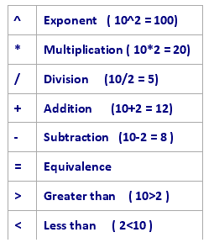
Help
 | Excel help - ?
 | www.it.udel.edu/learnit
 | www.udel.edu/help

Support Center
 | 831-6000
 | consult@udel.edu

Reference materials
 | Using Excel 2007, Bill Jelen, ISBN0-789703611-X

